Introduction
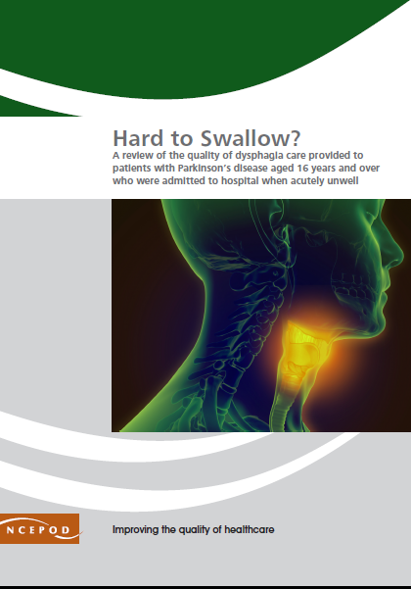
https://www.ncepod.org.uk/2021dysphagia.html

Dysphagia in Parkinson's Disease
Audit Toolkit

To be completed for patients with Parkinson’s Disease aged 16 years and older, admitted to hospital when acutely unwell. Exclusions: patients admitted as a day case (as not enough data would be available for review) or to Level 3 (ICU/ITU) critical care (as they may have been intubated). Patients admitted to independent hospitals are unlikely to be acutely unwell.

Thank you for downloading the toolkit for ''Hard To Swallow?". We hope you find this useful. If you have any feedback, please email us at info@ncepod.org.uk Please could you advise your local audit department if you plan to undertake this audit. It is important that they are made aware of it for the benefit of demonstrating Trust/Health Board activity and also so that they are in a position to support you and endorse the activity for your benefit.
Please complete as many questions which are applicable to the care of the patient.
For information on the recommendation to which each question assesses, please click on the button
This toolkit can be used in conjunction with the Recommendation Checklist. This can be found by clicking on the adjacent report image or this link:
https://www.ncepod.org.uk/2021dysphagia.html

Summary
Extent to which each recommendation has been met (%)
Recommendation - Sub criteria question number (reference only)
1 | 2 | 3 | 4 | 5 | 7 | 8 | 11 | RAG system (NCEPOD recommends these are set at the following limits, however these can be adapted by your Trust/Health Board where appropriate by amending the thresholds as required) |  |  | %
3a | 4a | 5a | 6b | 7a | 8a | 9a | 10a
3b | 4b | 5bi |  | 7c | 8b | 9bi | 10bi
 |  | 5bii |  |  |  | 9bii | 10bii
 |  | 5biii |  |  |  | 9biii | 10biii
 |  |  |  |  |  | 9biv | 10biv | Green |  |  | 100
 |  |  |  |  |  |  | 10bv | Amber |  |  | 50-99
 |  |  |  |  |  |  | 10bvi | Red |  |  | 0-49
 |  |  |  |  |  |  | 10ci
 |  |  |  |  |  |  | 10cii
 |  |  |  |  |  |  | 10ciii

Recommendation - Sub criteria questions (score) |  |  |  |  |  |  |  | Average % of recommendation
1 | 2 | 3 | 4 | 5 | 7 | 8 | 11 | 1 | 2 | 3 | 4 | 5 | 7 | 8 | 11
No data | No data | No data | No data | No data | No data | No data | No data | No data | No data | No data | No data | No data | No data | No data | No data
No data | No data | No data |  | No data | No data | No data | No data
 |  | No data |  |  |  | No data | No data
 |  | No data |  |  |  | No data | No data
 |  |  |  |  |  | No data | No data
 |  |  |  |  |  |  | No data
 |  |  |  |  |  |  | No data
 |  |  |  |  |  |  | No data
 |  |  |  |  |  |  | No data
 |  |  |  |  |  |  | No data

Swallowing difficulties
Indicators of dysphagia
Figure 4.3 from the NCEPOD report
